IC information
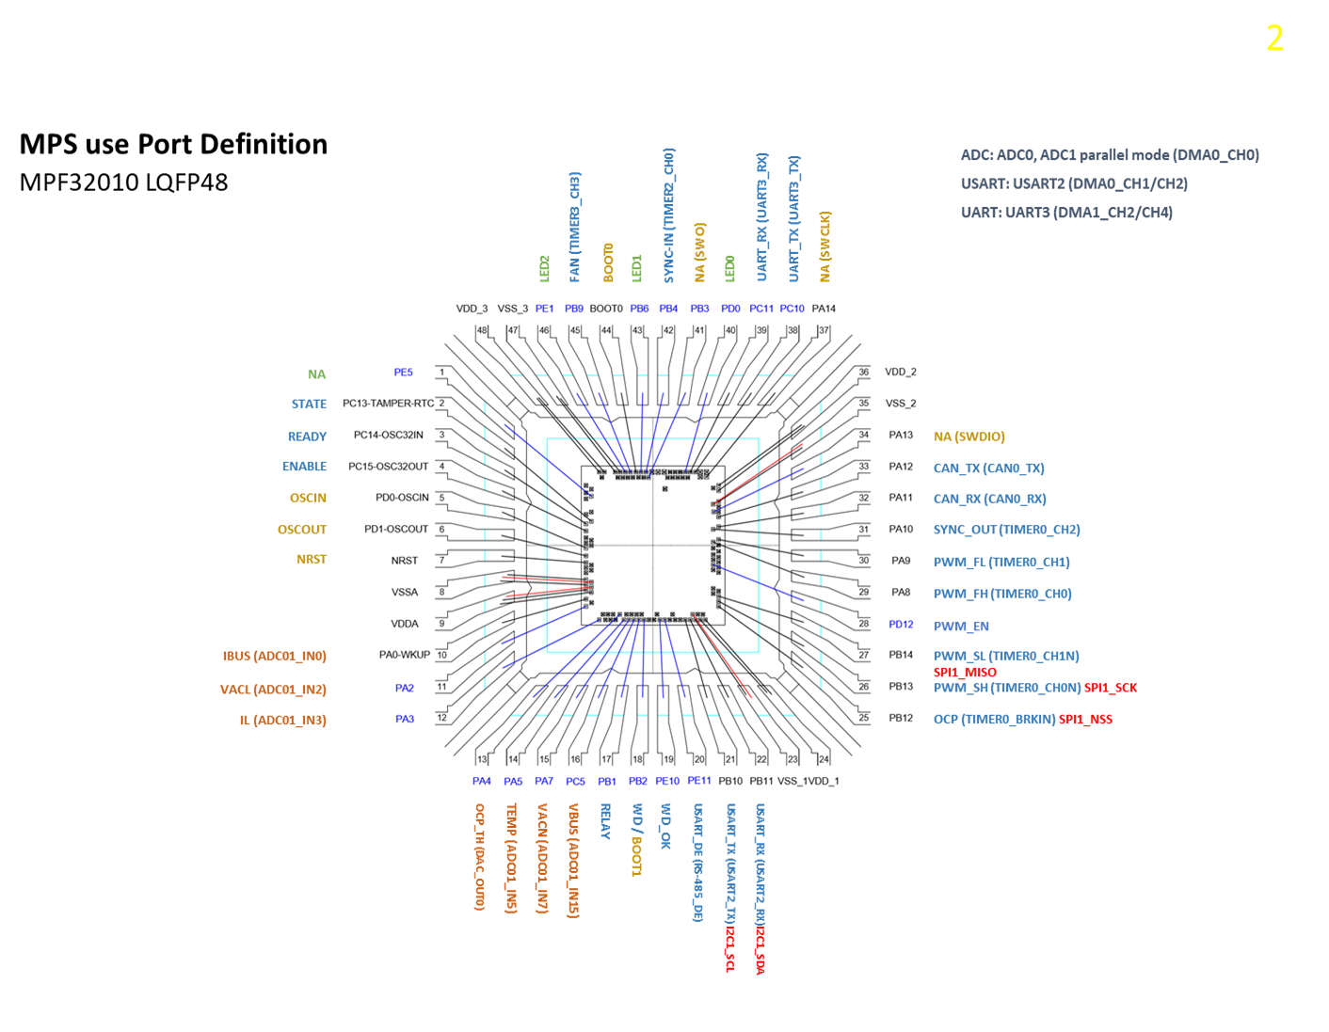
1 | 芯片功能简介
 | 芯片名称:
 | 芯片类型:LQFP48

2 | 功能模块介绍

3 | 芯片信息:
 | 1)Wafer : wafer size, die size, srible lines
 | 2)封装: 封装形式，封装图/Scoket Drawing

 |  | Wafer Size:
 |  | CHIP SIZE (包 sealring): | xxxxx um(X方向) * xxxxx um(Y方向)
 |  | Die SIZE (包sealring和scribeline): | xxxx um (X方向) *xxxx um(Y方向)
 |  | ScribeLine Width: | xx um (X方向) * xx um(Y方向)
 |  | Lower Left： | (0, 0)
 |  | Up Right： | (?, ?)
 |  | Pad Size ： | ?um * ?um
 |  | PAD Picth
 |  | Min PAD Picth ： | ? um

Commands
 | Command | Binary Command | Description | Atribute IN | Atribute OUT | Example | Example | Note
k | PWM ON | 0x10 0x05 | Turn ON PWM_L, PWM_H | none | pwm change & text | PWM ON | 0x10 0x05
k | PWM OFF | 0x10 0x0A | Turn OFF PWM_L, PWM_H | none | pwm change & text | PWM OFF | 0x10 0x0A
k | PWM FREQ <value_freq> | 0x10 0xFC 0x<value_high> 0x<value_low> | Change the PWM frequency to the <value> one, defined in kHz | <value> | pwm change & text | PWM FREQ 20 | 0x10 0x50 0x14 | Value_freq have to be expressed in kHz
k | PWM DT <value> | 0x10 0xD1 0x<value> | Change the PWM deadtime to <value>, when the deadtime is <value>*(1/freq) | <value> | pwm change & text | PWM DT 5 | 0x10 0xA0 0x05 | When the changed the value, the PWM stops
k | PWM DC <value> | 0x10 0xDC 0x<value> | Change the duty cicle, value has to be between 0 and 100 | <value> | pwm change & text | PWM DC 50 | 0x10 0xDC 0x32
k | SR ON | 0x11 0x05 | Turn ON SRL, SRH
k | SR OFF | 0x11 0x0A | Turn OFF SRL, SRH
k | SR FREQ <value_freq> | 0x11 0xFC 0x<value_high> 0x<value_low> | Change the SR frequency to the <value> one, defined in kHz
k | SR DT <value> | 0x11 0xD1 0x<value> | Change the SR deadtime to <value>, when the deadtime is <value>*(1/freq)
k | SR DC <value> | 0x11 0xDC 0x<value> | Change the duty cicle, value has to be between 0 and 100
k | ADC START_CH <value> | 0xAD 0x37 0x<value> | Set ADC channel to be sampled | <value> | text & values (SPI) | ADC START_CH 3 | 0xAD 0x37 0x03 | value -> 1 ~ 8, other values will set as 1, Note2*
k | ADC STOP | 0xAD 0x30 | Stops ADC sampling | none | test | ADC STOP | 0xAD 0x30
k | DAC0 <value> | 0xDC 0x<value_H> 0x<value_L> | Actualize the DAC0 value to <value>, output value will be Vout = (<value>/4096)*3,2
k | DAC1 <value> | 0xDD 0x<value_H> 0x<value_L> | Actualize the DAC1 value to <value>, output value will be Vout = (<value>/4096)*3,3 | <value> | gpio change & text | DAC 1035 | 0xDC 0x0D 0xE9 | In binary command, after the UART command, SPI data have to be send via SPI, to stop send new values send 0xC7C7
k | GPIO READ | 0x6F 0x7D | Send the state of all input GPIO and SYNC_IN | none | text | GPIO READ | 0x6F 0x7D | In binary command only one byte is send, the last 4 bits are the state of STATE, ENABLE, WD_OK,OCP and SYNC_IN
k | GPIO VIL_VIH | 0x6F 0x7F | Configure all the pin as input and return their value | none | text | GPIO VIL_VIH | 0x6F 0x7F | In binary command sends 4 bytes, the first byte from MSB to LSB (STATE,ALARM,ENABLE,IBUS,VACL,IL,TEMP,OCP_TH), second byte (VACN,VBUS,RELAY,WD,WD_OK,USART_DE,USART_TX, USART_RX), third byte(OCP,PWM_SH,PWM_SL,LED1,PWM_FH,PWM_FL,PWM_EN,CAN_RX), and last (0,0,0,0,0,CAN_TX,SYNC_IN,FAN)
k | GPIO NORMAL | 0x6F 0xA4 | Reset the pin configuration to their default. | none | text | GPIO NORMAL | 0x6F 0xA0
k | GPIO MIDDLE1 | 0x6F 0x85 | Configure some pins as input and other as output, output ones will be pulled high | none | gpio change & text | GPIO MIDDLE1 | 0x6F 0x85 | Note1*
k | GPIO MIDDLE2 | 0x6F 0x58 | Configure some pins as input and other as output, output ones will be pulled high | none | gpio change & text | GPIO MIDDLE2 | 0x6F 0x58 | Note1*
k | UART TM | 0xCA | Send TM message over RS485 (UART2) | none | text | UART TM | 0xCA | test message is "HELLO MPQ32010"
k | CAN TM | 0xC5 | Send TM message over CAN | none | text | CAN TM | 0xC5 | test message is "MPS" or 0x4D 0x50 0x53 and id = 0x55
k | FAN ON | 0xFA 0xF0 | Turn ON FAN |  |  | FAN ON | 0xFA 0xF0 | Turn On FAN pwm
k | FAN OFF | 0xFA 0x0F | Turn OFF FAN |  |  | FAN OFF | 0xFA 0x0F | Turn Off FAN pwm
k | FAN DC <value> | 0xFA 0xDC 0x<value> | Change the FAN frequency to the <value> one, defined in kHz | <value> |  | FAN DC 80 | 0xFA 0xDC 0x20 | max <value> is 100 or 0x64

 | CAN Configuration
 | Baudrate -> 500KBps

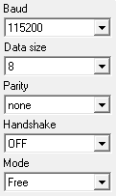
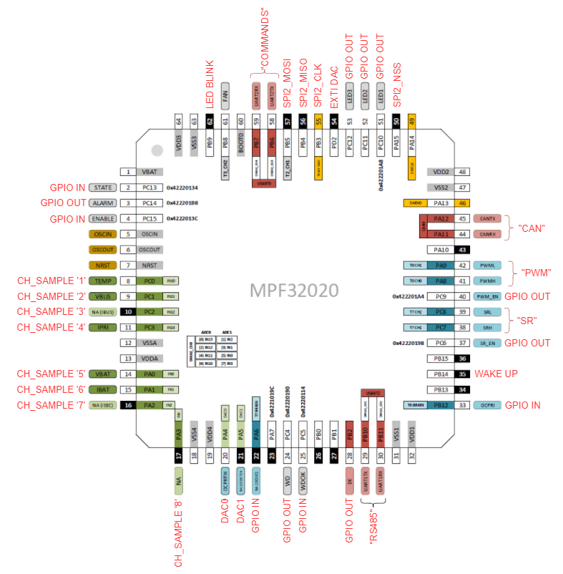
 | UART 0 & UART 2 Configuration | Update history: | MCU test pinout
 | UART 0 -> Commands | V1.0: 35-05-2022 1)Initial Release"
 | UART2 -> RS485

 | SPI Configuration
 | freq = 15MHz Endian -> MSB Frame_Size -> 8bit Polarity -> SPI_CK_PL_LOW_PH_1EDGE

 | Middle x connections (input -> output)
 | ALARM <-> SRH | Middle 1 input -> output
 | WD <-> FAN | Middle 2 output <- input
 | USART_DE <-> TEMP
 | SR_EN <-> VBUS
 | PWM_EN <-> NA(IBUS)
 | LED1 <-> IPRI
 | LED2 <-> VBAT
 | LED3 <-> IBAT
 | STATE <-> NA(ISEC)
 | ENABLE <-> NA
 | NC(OCSEC) <-> OCPRITH
 | WD_OK <-> NA(OCSEC)
 | OCPRI <-> UART2_TX
 | PWML <-> UART2_RX
 | PWMH <-> CAN_TX
 | SRL <-> CAN_RX

